Sheet1
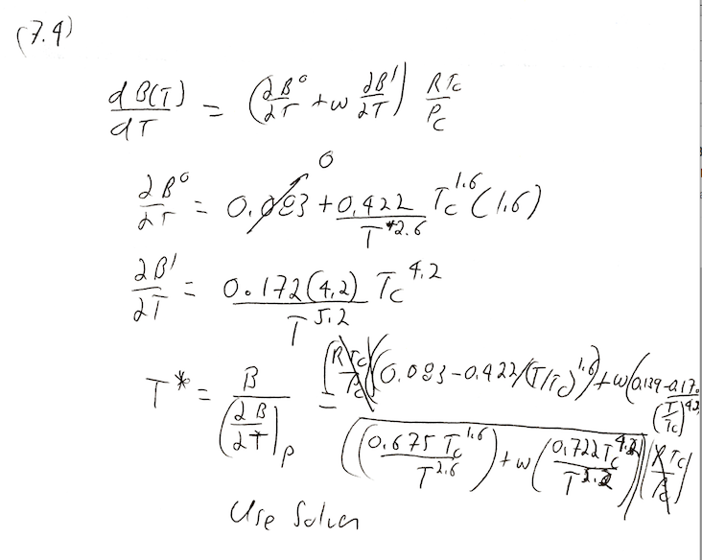

Tc, K | Pc, Mpa | w
190.6 | 4.604 | 0.011
T*, K | =0
946 | -1.8930935734E-06

